Trek Checkpoint SL (gen 3) 2025
brand | Trek
model | Checkpoint SL (gen 3)
model year | 2025
input date | 13-Jul-25
URL | https://www.trekbikes.com/us/en_US/bikes/bikepacking-touring-bikes/checkpoint/checkpoint-sl/checkpoint-sl-7-axs-gen-3/p/55097/?colorCode=reddark
material | udh | dropout | 700c width max | 650B tire max | suspension corrected | fork suspension | stem suspension | rear suspension | rear axle | front axle | q-factor | seatpost diameter | routing shifter | routing dropper | routing dynamo | front derailleur | chainring 1 | chainring 2 | bottom bracket | mounts inner | mounts under | mounts top | mounts fork | mounts fender rear | mounts fender front | mounts rack | ISO ASTM | rotor max front | rotor max rear | frameset | base build | currency | internal storage
carbon | yes |  | 50 |  | 40 | no | no | yes | 142 | 100 |  | 27.2 | internal | yes |  | yes | 44 | 46/30 | threaded | 2 | 1 | 1 | yes | yes | yes |  |  | 180 | 180 | 2599.99 | 3199.99 | us | yes

measure range | a10:h33
frame_size | Frame size letter | XS | S | M | ML | L | XL
wheel_size | Wheel size | 700 | 701 | 702 | 703 | 704 | 705 |  |  | Wheel size | 700c | 700c | 700c | 700c | 700c | 700c
seat_tube_length | A — Seat tube | 445 | 480 | 505 | 530 | 550 | 575 |  |  | A — Seat tube | 44.5 | 48 | 50.5 | 53 | 55 | 57.5
seat_angle_effective | B — Seat tube angle | 74 | 74 | 73.3 | 73.3 | 73.3 | 73.3 |  |  | B — Seat tube angle | 74 | 74 | 73.3 | 73.3 | 73.3 | 73.3
seat_tube_angle | Effective seat tube angle | 72.7 | 73 | 72.8 | 72.8 | 72.8 | 72.8 |  |  | Effective seat tube angle | 72.7 | 73 | 72.8 | 72.8 | 72.8 | 72.8
head_tube_length | C — Head tube length | 86 | 106 | 130 | 151 | 171 | 191 |  |  | C — Head tube length | 8.6 | 10.6 | 13 | 15.1 | 17.1 | 19.1
head_tube_angle | D — Head angle | 71 | 71.4 | 71.6 | 72 | 72.1 | 72.4 |  |  | D — Head angle | 71 | 71.4 | 71.6 | 72 | 72.1 | 72.4
top_tube_effective_length | E — Effective top tube | 536 | 547 | 566 | 578 | 589 | 601 |  |  | E — Effective top tube | 53.6 | 54.7 | 56.6 | 57.8 | 58.9 | 60.1
bottom_bracket_drop | G — Bottom bracket drop | 76 | 76 | 76 | 76 | 76 | 76 |  |  | G — Bottom bracket drop | 7.6 | 7.6 | 7.6 | 7.6 | 7.6 | 7.6
chainstay_length | H — Chainstay length | 430 | 430 | 430 | 430 | 430 | 430 |  |  | H — Chainstay length | 43 | 43 | 43 | 43 | 43 | 43
fork_offset_rake | I — Offset | 49 | 49 | 49 | 49 | 49 | 49 |  |  | I — Offset | 4.9 | 4.9 | 4.9 | 4.9 | 4.9 | 4.9
trail | J — Trail | 71 | 68 | 68 | 64 | 64 | 62 |  |  | J — Trail | 7.1 | 6.8 | 6.8 | 6.4 | 6.4 | 6.2
wheelbase | K — Wheelbase | 1013 | 1022 | 1034 | 1042 | 1052 | 1062 |  |  | K — Wheelbase | 101.3 | 102.2 | 103.4 | 104.2 | 105.2 | 106.2
standover | L — Standover | 746 | 772 | 799 | 813 | 837 | 861 |  |  | L — Standover | 74.6 | 77.2 | 79.9 | 81.3 | 83.7 | 86.1
reach | M — Frame reach | 380 | 386 | 391 | 397 | 402 | 408 |  |  | M — Frame reach | 38 | 38.6 | 39.1 | 39.7 | 40.2 | 40.8
stack | N — Frame stack | 535 | 556 | 579 | 601 | 620 | 640 |  |  | N — Frame stack | 53.5 | 55.6 | 57.9 | 60.1 | 62 | 64
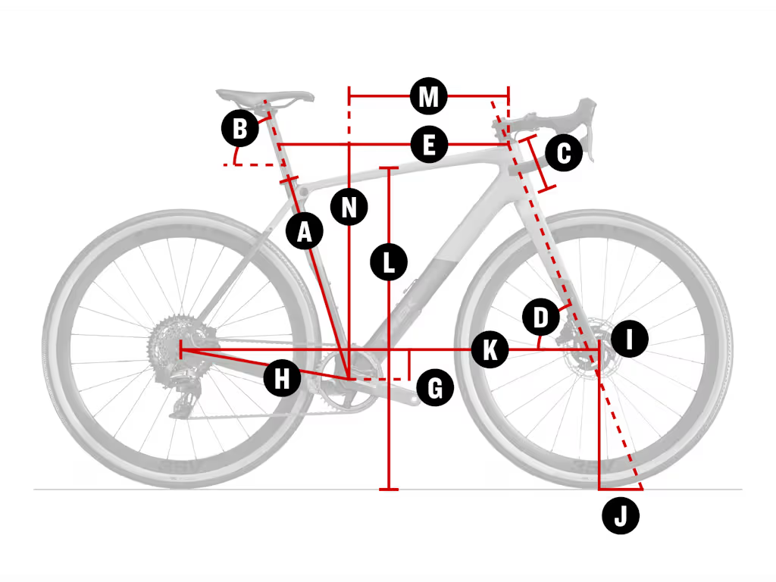
axle_crown | axle_crown | 415 | 415 | 415 | 415 | 415 | 415
handlebar_width | handlebar_width
stem_length | stem_length | 70 | 80 | 80 | 90 | 90 | 100
crank_length | crank_length
tire_width_spec | tire_width_spec | 42 | 42 | 42 | 42 | 42 | 42
tire_width_max | tire_width_max | 50 | 50 | 50 | 50 | 50 | 50
rider_min | rider_min | 143 | 158 | 164 | 177 | 188 | 194
rider_max | rider_max | 158 | 164 | 177 | 188 | 194 | 203

 | Sizing

 | size-table
 | Size | Rider Height | Inseam
 | XS | 143 - 158 cm | 67 - 74 cm
 |  | 4'8" - 5'2" | 26" - 29"
 | S (49cm) | 158 - 164 cm | 74 - 77 cm
 |  | 5'2" - 5'5" | 29" - 30"
 | M (52-54cm) | 164 - 177 cm | 77 - 83 cm
 |  | 5'5" - 5'10" | 30" - 33"
 | ML (56cm) | 177 - 188 cm | 83 - 88 cm
 |  | 5'10" - 6'2" | 33" - 35"
 | L (58cm) | 188 - 194 cm | 88 - 91 cm
 |  | 6'2" - 6'4" | 35" - 36"
 | XL (61cm) | 194 - 203 cm | 91 - 95 cm
 |  | 6'4" - 6'8" | 36" - 37"

